Sizing
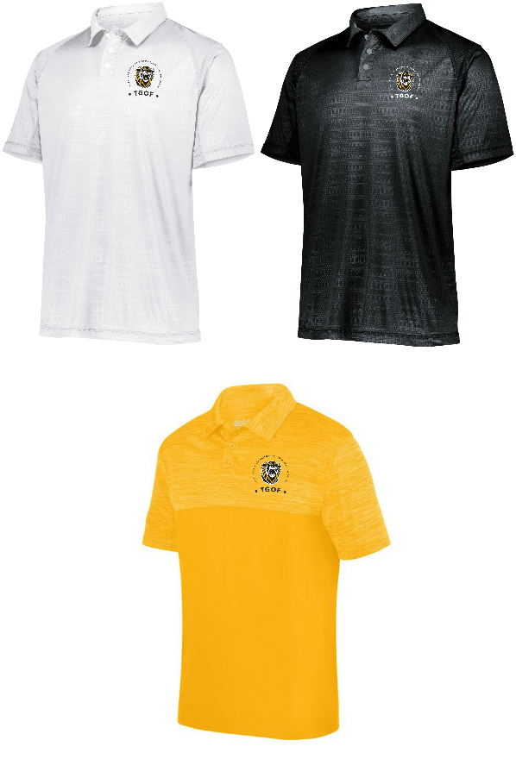
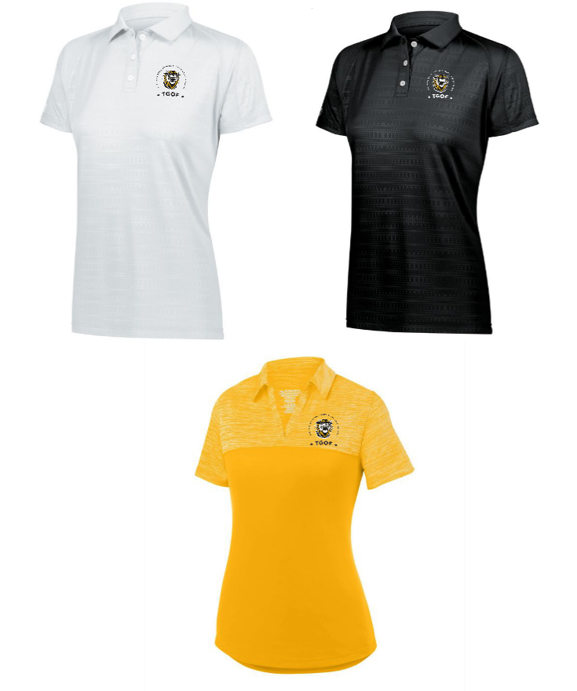
Adult/Unisex | Size | XS | S | M | L | XL | 2XL | 3XL
 | Chest | 30-32 | 34-36 | 38-40 | 42-44 | 46-48 | 50-52 | 54-56
 | Waist | 24-26 | 28-30 | 32-34 | 36-38 | 40-42 | 44-46 | 48-50

Ladies | Size | XS | S | M | L | XL | 2XL | 3XL
 |  | 0-2 | 4-6 | 8-10 | 12-14 | 16-18 | 20-22 | 24-26
 | Chest | 30-32 | 34-36 | 38-40 | 42-44 | 46-48 | 50-52 | 54-56
 | Waist | 24-26 | 28-30 | 32-34 | 36-38 | 40-42 | 44-46 | 48-50

Order Form


 |  |  |  |  | BILL TO:
 |  |  |  |  | Customer Name:
 |  |  |  |  | Address:
 |  |  |  |  | City, State, Zip:
 |  |  |  |  | Phone/E-mail:

Style Description | Color | Organization Art Location and Description | S | M | L | XL | 2XL | 3XL | Total Qty | Cost / Unit | Total Cost
Unisex | White |  |  |  |  |  |  |  | 0 | $48.00 | $0.00
Ladies | White |  |  |  |  |  |  |  | 0 | $48.00 | $0.00
Unisex | Black |  |  |  |  |  |  |  | 0 | $48.00 | $0.00
Ladies | Black |  |  |  |  |  |  |  | 0 | $48.00 | $0.00
Unisex | Gold |  |  |  |  |  |  |  | 0 | $44.00 | $0.00
Ladies | Gold |  |  |  |  |  |  |  | 0 | $44.00 | $0.00
Contact us: cgvictoria@fhsu.edu |  |  |  |  |  |  |  | TOTAL QTY | 0 | TOTAL COST | $0.00

TGOF logo will be on Left Chest - Organizations will be able to add their name and/or logo to sleeve or back of garment. Please list art description above on form. Set-up fee may apply if Gone Logo does not have organization in their system.

